Applied Probability-Business
PIP | Quality Score | Process Days | Project Cost |  |  | Event of Interest: | Notation for the Probability of the given event: | Count: | Probability/Percentage
1 | 993 | 3 | 263470 | Use Symbols |  | Event Q: Quality is satisfied if Quality Score > 500 | P(Q ) | 29 | 38.0%
2 | 306 | 4 | 417320 | A intersect B: | A ∩ B | Event S: Speed is satisfied if Speed < 13 days | P(S ) | 22 | 29.0%
3 | 172 | 23 | 80210 | A Union B: | A U B | Event C: Cost is satisfied if Cost < 234,000 | P(C ) | 26 | 34.0%
4 | 252 | 13 | 460281 | A-Complement: | A' |  | Notation for the Probability of the given event: | Count: | Probability/Percentage
5 | 651 | 16 | 201680 | A Condition B: | A | B | P(Score = 0) | (Q U S U C)' | 6 | 12%
6 | 414 | 3 | 199656 | (A Given B) |  | P(Score = 1) | Q∩(S' U C') | 9 | 18%
7 | 246 | 8 | 15621 |  |  | P(Score = 2) | S∩(Q' U C') | 5 | 10%
8 | 820 | 15 | 89239 |  |  | P(Score = 3) | C∩(S' U C') | 4 | 8%
9 | 587 | 20 | 466122 |  |  | P(Score = 4) | (Q U S) ∩ C' | 4 | 8%
10 | 331 | 16 | 309484 |  |  | P(Score = 5) | (Q U C) ∩ S' | 9 | 18%
11 | 663 | 4 | 45341 |  |  | P(Score = 6) | (S U C) ∩ Q' | 6 | 12%
12 | 940 | 18 | 156677 |  |  | P(Score = 7) | ( S ∩ C ∩ Q ) | 7 | 14%
13 | 531 | 15 | 441961 |  |  |  | TOTAL: | 50 | 100%
14 | 563 | 4 | 377165 |  |  |  | Notation for the Probability of the given event: | Probability/Percentage
15 | 724 | 23 | 80404 |  |  | a) Of those who satisfied cost, what percentage also satisfied Speed? | (C∩ S)/C | 50%
16 | 866 | 24 | 339937 |  |  | b) Of those who satisfied Quality, what percentage also satisfied Cost? | (Q∩ C)/Q | 55%
17 | 201 | 17 | 278608 |  |  | c) Of those who satisfied Quality, what percentage also satisfied Speed but did not satisfy the Cost? | Q∩(S U C')/Q | 14%
18 | 324 | 4 | 149478 |  |  | d) Of those who satisfied Cost, what percentage also satisfied Speed but did not satisfy the Quality? | C∩(S U Q')/C | 23%
19 | 395 | 4 | 250469 |  |  | e) Of those who did not satisfy Speed, what percentage satisfied Quality and Speed? | S'∩(Q U S)/S' | 41%
20 | 707 | 15 | 423975 |  |  | f) What percentage satisfied exactly two of the three criteria? | (S ∩ C) U (C ∩ Q) U (Q ∩ S)/ (Q U S U C)' U (Q U S U C) | 38%
21 | 68 | 13 | 84278 |  |  | g) Of those who satisfied at least one of the three criteria, what percentage satisfied exactly one criterion? | (C∩Q∩S)/ (C U Q U S) | 41%
22 | 407 | 5 | 12657 |  |  | h) Of those who did not satisfy Cost, what percentage satisfied the Speed criterion? | (C'∩S) / (C' ∩ (C U S U Q) | 37%
23 | 139 | 10 | 82925
24 | 278 | 18 | 312233
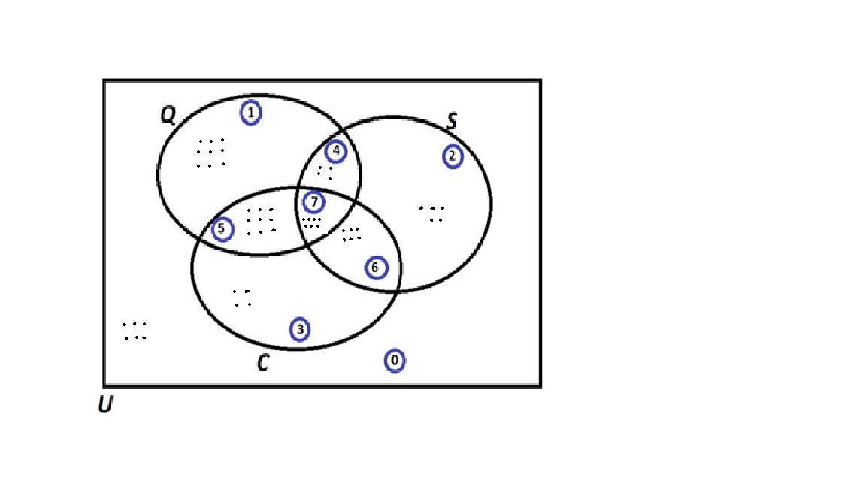
25 | 527 | 19 | 195477
26 | 188 | 25 | 112740
27 | 726 | 18 | 442165
28 | 385 | 2 | 18969
29 | 546 | 3 | 436795
30 | 635 | 25 | 107469
31 | 366 | 9 | 259752
32 | 959 | 10 | 125415
33 | 514 | 20 | 261185
34 | 519 | 24 | 381388
35 | 165 | 24 | 84697
36 | 866 | 16 | 151299
37 | 531 | 10 | 118948
38 | 151 | 25 | 302254
39 | 436 | 11 | 295024
40 | 756 | 23 | 212548
41 | 515 | 17 | 162738
42 | 808 | 5 | 178599
43 | 819 | 4 | 101525
44 | 808 | 6 | 169616
45 | 916 | 16 | 277513
46 | 203 | 12 | 487052
47 | 966 | 4 | 144676
48 | 309 | 21 | 430169
49 | 677 | 4 | 265350
50 | 612 | 21 | 326357

Probability Rules
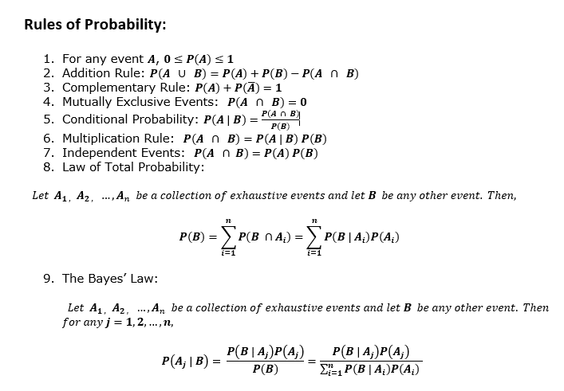
Probability

